GF projection ex.
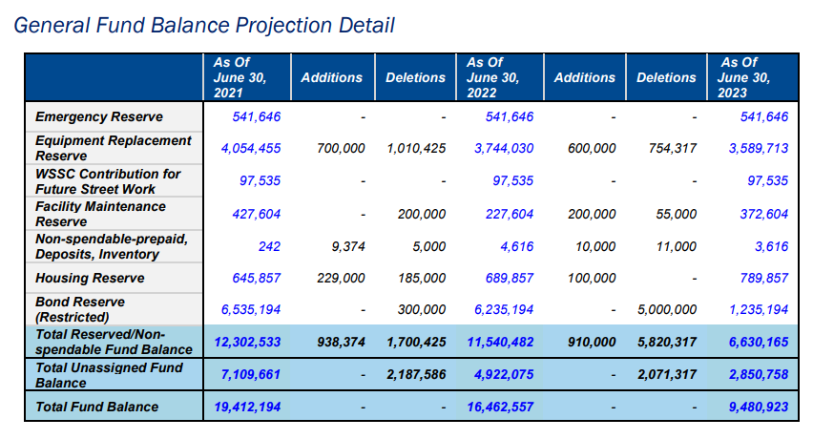
General Fund
Fund Balance Projection Detail

 | As Of |  |  | As Of |  |  | As Of
 | June 30, 2021 | Additions | Deletions | June 30, 2022 | Additions | Deletions | June 30, 2023 | 2022-04-01

Emergency Reserve | 541,646 |  |  | 541,646 |  |  | 541,646 |  | General Fund Deficit | 7,081,634
Equipment Replacement Reserve | 4,054,455 | 700,000 | 1,010,425 | 3,744,030 | 600,000 | 754,317 | 3,589,713 |  | Use of Bond Reserve | 5,000,000
WSSC Contribution for Future Street Work | 97,535 |  |  | 97,535 |  |  | 97,535 |  | Use of Other Reserves | 2,081,634
Facility Maintenance Reserve | 427,604 |  | 200,000 | 227,604 | 200,000 | 55,000 | 372,604
NonSpendable-Prepaid, Deposits, Inventory | 242 | 9,374 | 5,000 | 4,616 | 10,000 | 11,000 | 3,616
Housing Reserve | 645,857 | 229,000 | 185,000 | 689,857 | 250,000 | 250,000 | 689,857
Bond Reserve (Restricted) | 6,535,194 |  | 300,000 | 6,235,194 |  | 5,000,000 | 1,235,194

Total Reserved/NonSpendable Fund Balance | 12,302,533 | 938,374 | 1,700,425 | 11,540,482 | 1,060,000 | 6,070,317 | 6,530,165

Total Unassigned Fund Balance | 7,109,661 |  | 2,187,586 | 4,922,075 |  | 2,071,317 | 2,850,758

Total Fund Balance | 19,412,194 |  |  | 16,462,557 |  |  | 9,380,923
Total Fund Balance

